MaxPattern
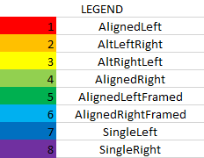
6 | 3 | 5 | 2 | 6 | 3 | 5 | 2 | 6 | 3
6 | 2 | 4 | 3 | 6 | 2 | 4 | 3 | 6 | 2
5 | 3 | 6 | 2 | 5 | 3 | 6 | 2 | 5 | 3
8 | 8 | 7 | 7 | 8 | 8 | 7 | 7 | 8 | 8

